Defect

Defect ID | Defect Summary/Title | Defect Description | Severity | Priority | Environment | Assigned to | Status | Attachment | Resolved By
TC_014_1_D1 | The "Work Samples" file is not uploaded successfully after the user completes a Listing form | On the Share Skill form, After the user enters every details and uploads a valid file and when the user clicks on Save the form, the file is not uploaded successfully and an error message is as shown in the image attachment. Reproducing steps: Step 1: Launch the URL Step 2: Sign in with valid credentials Step 3: Click on button "Share Skill" Step 4: Enter the "Title" with valid data Step 5: Enter the "Description" Step 6: Select the "Category" Step 7: Select the "Subcategory" Step 8: Enter the "Tags" Step 9: Select "Service Type" Step 10: Select "Location Type" Step 11: Enter "Start date" Step 12: Enter "End date" Step 13: Enter Days and Times Step 14: Select the "Skill Trade" Step 15: Enter the "Skill Exchange" Step 16: Upload a file in the "Work Samples" Step 17: Select the "Active" Step 18: Click on button "Save"
TC_007_07_D2 | The error message of "Start date" is wrong when Creating a listing with past date in the "End date" | On the Share Skill form, after the user clear the "Start date" and enters a paste date into the "End date" and click to Save the form, an error message is as shown in the image attachment. Reproducing steps: Step 1: Launch the URL Step 2: Sign in with valid credentials Step 3: Click on button "Share Skill" Step 4: Click on "Start date" calendar icon Step 5: Click on "Clear" the "Start date" Step 6: Enter the "End date" with a past date Step 7: Click on button "Save"
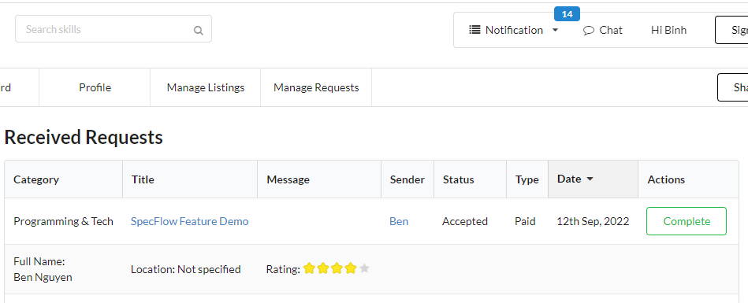
TC_015_05_D3 | On the sent request page, the Buyer is not able to review a completed sent request | When click on "Review" a completed sent request, a transparent layer is displayed on the "Sent Requests" page and the user is not able to complete the review process. Reproducing steps: Step 1: Launch the URL Step 2: Sign in with valid credentials Step 3: Click on Manage requests and Select "Sent Requests" in the dropdown list. step 4: Click on button "Review" in the "Actions" column
TC_016_04_D4 | On the "Received Requests" page, the Seller is not able to complete an "Accepted" received request. | When clickinig on the button "Complete" the Rating row is popuped but there's no way to compte the Received request. Reproducing steps: Step 1: Launch the URL Step 2: Sign in with valid credentials Step 3: Click on "Manage Requests" dropdrown and select "Received Request" Step 4: Click on the button "Complete"
TC_016_05_D5 | On the "Received Requests" page, the Seller is not able to complete a Rating. | When clicking on a Star for rating, a star selected is displayed but not actually selected. After refresh, four stars is displayed as default. There's no way to complete the rating process for the Seller. Reproducing steps: Step 1: Launch the URL Step 2: Sign in with valid credentials Step 3: Click on "Manage Requests" dropdrown and select "Received Request" Step4: Click on the button "Review" of the received request. Step 5: Click on a star to select Rating

